READ ME
Disclaimer

 Please refer to the READ ME pdf document published under: http://www.cssf.lu/fileadmin/files/Reporting_legal/Recueil_banques/Read_Me_EBA_Problematic_validation_rules.pdf that complements this Excel file and explain more precisely how EBA problematic rules shall be treated.

List of EBA Validation Rules
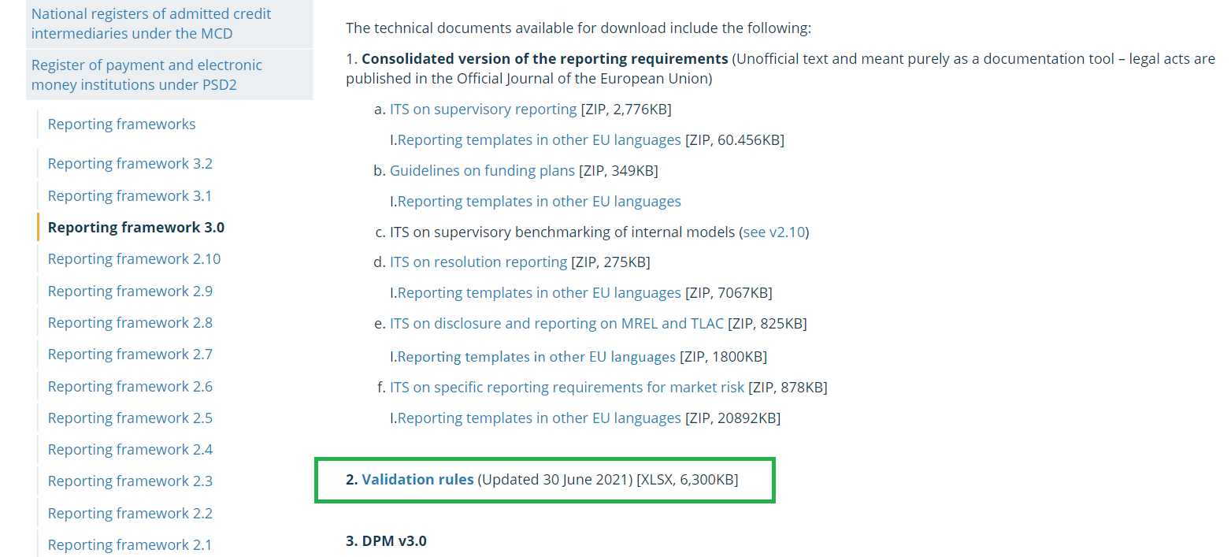
The latest list of applicable EBA Validation Rules is available under point 2. Validation rules, irrespective of the reporting package (taxonomy) selected on the EBA website.

Example for reporting Framework 3.0 :
https://www.eba.europa.eu/risk-analysis-and-data/reporting-frameworks/reporting-framework-3.0
(You can navigate between reporting frameworks on the left side of the page)

